adzuna categories yoy
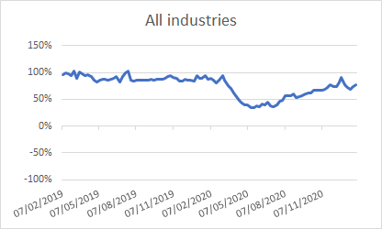
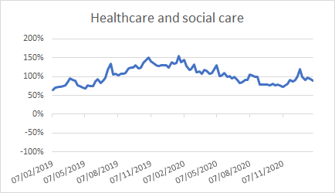
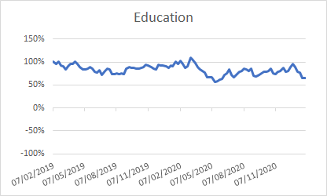
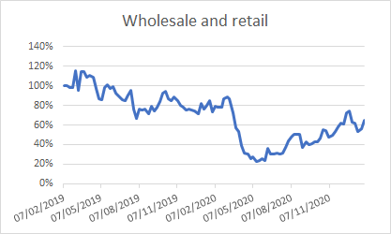
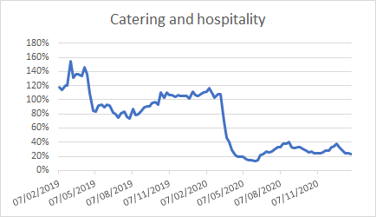
Chart data to publish
Action: | Automatic: Copy across selected series
 | Manual: Highlight imputed values
 | Manual: Extend values and formatting to range of latest data
 | Manual: Extend range of data in charts

Date | 2019-02-07 | 2019-02-15 | 2019-02-22 | 2019-02-28 | 2019-03-07 | 2019-03-14 | 2019-03-21 | 2019-03-28 | 2019-04-04 | 2019-04-11 | 2019-04-18 | 2019-04-25 | 2019-05-02 | 2019-05-09 | 2019-05-16 | 2019-05-23 | 2019-05-30 | 2019-06-06 | 2019-06-13 | 2019-06-20 | 2019-06-27 | 2019-07-04 | 2019-07-11 | 2019-07-18 | 2019-07-25 | 2019-08-01 | 2019-08-08 | 2019-08-15 | 2019-08-22 | 2019-08-29 | 2019-09-05 | 2019-09-12 | 2019-09-19 | 2019-09-26 | 2019-10-03 | 2019-10-10 | 2019-10-17 | 2019-10-24 | 2019-10-31 | 2019-11-07 | 2019-11-14 | 2019-11-21 | 2019-11-28 | 2019-12-05 | 2019-12-12 | 2019-12-19 | 2019-12-27 | 2020-01-03 | 2020-01-10 | 2020-01-16 | 2020-01-23 | 2020-01-30 | 2020-02-07 | 2020-02-13 | 2020-02-21 | 2020-02-27 | 2020-03-06 | 2020-03-12 | 2020-03-20 | 2020-03-27 | 2020-04-03 | 2020-04-09 | 2020-04-17 | 2020-04-24 | 2020-05-01 | 2020-05-07 | 2020-05-15 | 2020-05-22 | 2020-05-29 | 2020-06-05 | 2020-06-12 | 2020-06-19 | 2020-06-26 | 2020-07-03 | 2020-07-10 | 2020-07-17 | 2020-07-24 | 2020-07-31 | 2020-08-07 | 2020-08-14 | 2020-08-21 | 2020-08-28 | 2020-09-04 | 2020-09-11 | 2020-09-18 | 2020-09-25 | 2020-10-02 | 2020-10-09 | 2020-10-16 | 2020-10-23 | 2020-10-30 | 2020-11-06 | 2020-11-13 | 2020-11-20 | 2020-11-27 | 2020-12-04 | 2020-12-11 | 2020-12-18 | 2020-12-24 | 2020-12-31 | 2021-01-08 | 2021-01-15 | 2021-01-22 | 2021-01-29 | 2021-02-05
All industries | 95% | 99% | 97% | 94% | 102% | 90% | 100% | 97% | 94% | 96% | 92% | 85% | 83% | 85% | 88% | 87% | 86% | 87% | 89% | 92% | 83% | 93% | 99% | 103% | 85% | 84% | 86% | 86% | 86% | 85% | 86% | 87% | 85% | 88% | 87% | 88% | 88% | 92% | 94% | 90% | 89% | 84% | 84% | 87% | 86% | 86% | 84% | 95% | 89% | 90% | 94% | 87% | 89% | 86% | 80% | 86% | 94% | 85% | 76% | 70% | 61% | 55% | 48% | 43% | 40% | 40% | 34% | 35% | 38% | 37% | 41% | 39% | 44% | 38% | 36% | 39% | 46% | 48% | 56% | 56% | 56% | 60% | 53% | 56% | 57% | 60% | 61% | 62% | 67% | 67% | 68% | 66% | 69% | 71% | 77% | 74% | 74% | 83% | 92% | 77% | 72% | 68% | 74% | 78% | 80%
Healthcare and social care | 65% | 70% | 72% | 72% | 75% | 78% | 85% | 95% | 91% | 89% | 77% | 75% | 71% | 68% | 77% | 75% | 75% | 86% | 93% | 83% | 90% | 97% | 118% | 134% | 105% | 108% | 103% | 108% | 108% | 109% | 121% | 124% | 124% | 130% | 122% | 124% | 136% | 144% | 151% | 141% | 137% | 130% | 128% | 129% | 130% | 131% | 125% | 138% | 135% | 137% | 155% | 138% | 144% | 127% | 118% | 120% | 133% | 111% | 113% | 107% | 117% | 115% | 108% | 110% | 119% | 130% | 102% | 104% | 109% | 99% | 101% | 96% | 99% | 91% | 84% | 86% | 91% | 92% | 105% | 104% | 99% | 99% | 78% | 79% | 79% | 78% | 77% | 81% | 77% | 78% | 77% | 72% | 77% | 80% | 92% | 87% | 91% | 101% | 119% | 98% | 91% | 98% | 92% | 88% | 96%
Education | 101% | 97% | 101% | 93% | 90% | 85% | 91% | 96% | 96% | 101% | 95% | 89% | 84% | 84% | 86% | 89% | 86% | 79% | 77% | 82% | 73% | 81% | 86% | 84% | 74% | 74% | 75% | 75% | 75% | 74% | 86% | 88% | 87% | 87% | 86% | 86% | 88% | 88% | 94% | 92% | 89% | 86% | 84% | 94% | 93% | 93% | 91% | 88% | 92% | 92% | 101% | 96% | 102% | 96% | 87% | 91% | 109% | 105% | 98% | 88% | 83% | 81% | 77% | 67% | 66% | 68% | 56% | 59% | 62% | 63% | 71% | 75% | 84% | 72% | 67% | 74% | 79% | 81% | 85% | 83% | 81% | 86% | 71% | 68% | 71% | 76% | 78% | 79% | 80% | 85% | 76% | 73% | 79% | 80% | 88% | 79% | 80% | 90% | 97% | 88% | 79% | 76% | 66% | 65% | 70%
Wholesale and retail | 100% | 100% | 98% | 98% | 115% | 95% | 114% | 115% | 109% | 110% | 109% | 98% | 87% | 86% | 98% | 101% | 97% | 99% | 92% | 90% | 86% | 85% | 91% | 95% | 76% | 67% | 76% | 75% | 76% | 71% | 80% | 74% | 79% | 84% | 92% | 95% | 87% | 85% | 89% | 85% | 80% | 78% | 75% | 76% | 76% | 75% | 71% | 82% | 77% | 80% | 85% | 73% | 79% | 78% | 78% | 87% | 88% | 87% | 72% | 57% | 53% | 39% | 31% | 30% | 26% | 28% | 23% | 24% | 26% | 23% | 36% | 30% | 30% | 31% | 31% | 31% | 37% | 44% | 48% | 50% | 50% | 50% | 37% | 43% | 40% | 41% | 43% | 43% | 46% | 55% | 54% | 48% | 50% | 53% | 58% | 62% | 61% | 72% | 74% | 62% | 62% | 53% | 57% | 65% | 57%
Catering and hospitality | 118% | 114% | 120% | 120% | 154% | 131% | 136% | 136% | 134% | 146% | 136% | 109% | 85% | 83% | 92% | 93% | 90% | 93% | 91% | 82% | 80% | 74% | 81% | 83% | 76% | 73% | 87% | 79% | 80% | 83% | 89% | 91% | 91% | 95% | 97% | 93% | 110% | 103% | 110% | 106% | 107% | 104% | 106% | 105% | 105% | 105% | 101% | 111% | 107% | 105% | 108% | 110% | 112% | 116% | 107% | 103% | 108% | 108% | 70% | 47% | 40% | 29% | 22% | 20% | 19% | 19% | 16% | 15% | 14% | 13% | 15% | 22% | 24% | 27% | 26% | 27% | 30% | 33% | 33% | 38% | 38% | 41% | 33% | 32% | 32% | 33% | 31% | 28% | 26% | 26% | 24% | 25% | 24% | 25% | 27% | 29% | 33% | 35% | 38% | 33% | 29% | 25% | 24% | 24% | 22%

adzuna regions yoy
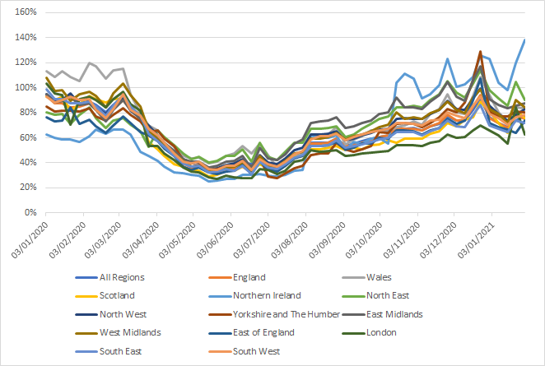
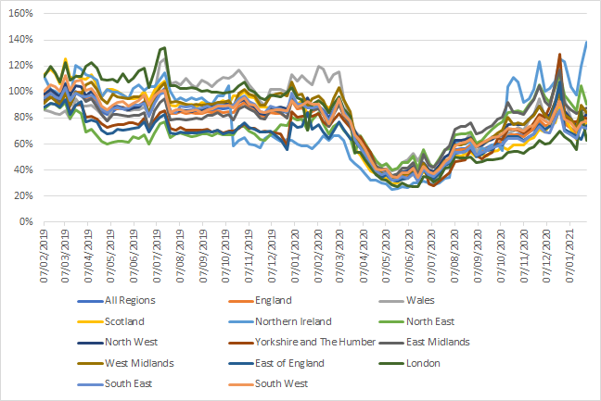
 | Date | 2019-02-07 | 2019-02-15 | 2019-02-22 | 2019-02-28 | 2019-03-07 | 2019-03-14 | 2019-03-21 | 2019-03-28 | 2019-04-04 | 2019-04-11 | 2019-04-18 | 2019-04-25 | 2019-05-02 | 2019-05-09 | 2019-05-16 | 2019-05-23 | 2019-05-30 | 2019-06-06 | 2019-06-13 | 2019-06-20 | 2019-06-27 | 2019-07-04 | 2019-07-11 | 2019-07-18 | 2019-07-25 | 2019-08-01 | 2019-08-08 | 2019-08-15 | 2019-08-22 | 2019-08-29 | 2019-09-05 | 2019-09-12 | 2019-09-19 | 2019-09-26 | 2019-10-03 | 2019-10-10 | 2019-10-17 | 2019-10-24 | 2019-10-31 | 2019-11-07 | 2019-11-14 | 2019-11-21 | 2019-11-28 | 2019-12-05 | 2019-12-12 | 2019-12-19 | 2019-12-27 | 2020-01-03 | 2020-01-10 | 2020-01-16 | 2020-01-23 | 2020-01-30 | 2020-02-07 | 2020-02-13 | 2020-02-21 | 2020-02-27 | 2020-03-06 | 2020-03-12 | 2020-03-20 | 2020-03-27 | 2020-04-03 | 2020-04-09 | 2020-04-17 | 2020-04-24 | 2020-05-01 | 2020-05-07 | 2020-05-15 | 2020-05-22 | 2020-05-29 | 2020-06-05 | 2020-06-12 | 2020-06-19 | 2020-06-26 | 2020-07-03 | 2020-07-10 | 2020-07-17 | 2020-07-24 | 2020-07-31 | 2020-08-07 | 2020-08-14 | 2020-08-21 | 2020-08-28 | 2020-09-04 | 2020-09-11 | 2020-09-18 | 2020-09-25 | 2020-10-02 | 2020-10-09 | 2020-10-16 | 2020-10-23 | 2020-10-30 | 2020-11-06 | 2020-11-13 | 2020-11-20 | 2020-11-27 | 2020-12-04 | 2020-12-11 | 2020-12-18 | 2020-12-24 | 2020-12-31 | 2021-01-08 | 2021-01-15 | 2021-01-22 | 2021-01-29 | 2021-02-05
1 | All Regions | 95% | 99% | 97% | 94% | 102% | 90% | 100% | 97% | 94% | 96% | 92% | 85% | 83% | 85% | 88% | 87% | 86% | 87% | 89% | 92% | 83% | 93% | 99% | 103% | 85% | 84% | 86% | 86% | 86% | 85% | 86% | 87% | 85% | 88% | 87% | 88% | 88% | 92% | 94% | 90% | 89% | 84% | 84% | 87% | 86% | 86% | 84% | 95% | 89% | 90% | 94% | 87% | 89% | 86% | 80% | 86% | 94% | 85% | 76% | 70% | 61% | 55% | 48% | 43% | 40% | 40% | 34% | 35% | 38% | 37% | 41% | 39% | 44% | 38% | 36% | 39% | 46% | 48% | 56% | 56% | 56% | 60% | 53% | 56% | 57% | 60% | 61% | 62% | 67% | 67% | 68% | 66% | 69% | 71% | 77% | 74% | 74% | 83% | 92% | 77% | 72% | 68% | 74% | 78% | 80%
2 | England | 97% | 101% | 99% | 96% | 105% | 93% | 100% | 100% | 96% | 97% | 94% | 87% | 84% | 87% | 87% | 88% | 87% | 88% | 90% | 93% | 82% | 92% | 100% | 102% | 84% | 84% | 85% | 84% | 84% | 84% | 84% | 85% | 84% | 86% | 84% | 85% | 84% | 89% | 92% | 88% | 86% | 82% | 81% | 84% | 84% | 83% | 81% | 93% | 87% | 88% | 84% | 85% | 88% | 83% | 76% | 83% | 91% | 82% | 76% | 63% | 59% | 53% | 47% | 40% | 37% | 37% | 33% | 32% | 35% | 35% | 37% | 32% | 42% | 36% | 34% | 38% | 44% | 46% | 55% | 55% | 56% | 59% | 53% | 54% | 56% | 58% | 61% | 62% | 68% | 67% | 67% | 66% | 69% | 72% | 78% | 74% | 74% | 85% | 94% | 76% | 72% | 68% | 78% | 75% | 78%
3 | Wales | 86% | 85% | 84% | 83% | 86% | 79% | 95% | 89% | 89% | 90% | 87% | 83% | 78% | 88% | 88% | 87% | 86% | 86% | 87% | 88% | 83% | 99% | 122% | 126% | 106% | 108% | 106% | 110% | 106% | 104% | 109% | 107% | 104% | 109% | 111% | 110% | 113% | 117% | 111% | 106% | 101% | 92% | 90% | 102% | 102% | 102% | 100% | 113% | 108% | 113% | 109% | 105% | 120% | 117% | 108% | 114% | 115% | 95% | 80% | 70% | 66% | 60% | 53% | 46% | 43% | 44% | 39% | 41% | 46% | 48% | 53% | 47% | 55% | 46% | 36% | 39% | 45% | 47% | 63% | 60% | 63% | 69% | 55% | 59% | 62% | 66% | 66% | 66% | 69% | 70% | 73% | 70% | 79% | 83% | 95% | 80% | 79% | 93% | 109% | 94% | 80% | 73% | 84% | 84% | 76%
4 | Scotland | 114% | 118% | 114% | 106% | 125% | 111% | 113% | 111% | 110% | 113% | 106% | 96% | 102% | 102% | 101% | 98% | 95% | 95% | 96% | 101% | 93% | 101% | 106% | 108% | 90% | 89% | 91% | 90% | 91% | 89% | 92% | 91% | 91% | 91% | 93% | 91% | 97% | 97% | 100% | 96% | 96% | 88% | 88% | 88% | 87% | 87% | 85% | 93% | 90% | 93% | 82% | 87% | 93% | 91% | 88% | 91% | 92% | 84% | 79% | 57% | 51% | 46% | 39% | 37% | 34% | 34% | 29% | 30% | 34% | 33% | 37% | 33% | 39% | 36% | 34% | 37% | 45% | 46% | 51% | 51% | 52% | 54% | 50% | 52% | 51% | 54% | 55% | 58% | 56% | 59% | 59% | 59% | 64% | 65% | 72% | 69% | 75% | 77% | 89% | 81% | 72% | 64% | 83% | 76% | 74%
5 | Northern Ireland | 112% | 102% | 100% | 98% | 107% | 95% | 121% | 117% | 113% | 112% | 109% | 97% | 102% | 100% | 100% | 98% | 95% | 102% | 106% | 101% | 104% | 104% | 110% | 115% | 100% | 94% | 95% | 94% | 96% | 94% | 96% | 92% | 91% | 97% | 97% | 105% | 59% | 63% | 65% | 60% | 59% | 57% | 64% | 67% | 65% | 62% | 64% | 63% | 60% | 59% | 59% | 57% | 61% | 67% | 63% | 67% | 66% | 63% | 49% | 45% | 42% | 37% | 32% | 32% | 30% | 30% | 25% | 26% | 27% | 27% | 30% | 30% | 31% | 30% | 29% | 30% | 34% | 34% | 62% | 60% | 60% | 62% | 50% | 57% | 56% | 59% | 60% | 55% | 104% | 112% | 108% | 92% | 95% | 102% | 123% | 101% | 103% | 108% | 126% | 123% | 104% | 98% | 120% | 138% | 114%
6 | North East | 87% | 91% | 90% | 88% | 92% | 80% | 86% | 84% | 69% | 72% | 66% | 62% | 60% | 61% | 62% | 62% | 62% | 66% | 65% | 67% | 60% | 69% | 76% | 77% | 65% | 68% | 68% | 67% | 66% | 67% | 68% | 68% | 66% | 69% | 67% | 67% | 67% | 73% | 74% | 70% | 68% | 64% | 63% | 67% | 71% | 75% | 74% | 80% | 79% | 79% | 71% | 79% | 85% | 76% | 68% | 74% | 76% | 71% | 65% | 53% | 66% | 60% | 54% | 47% | 43% | 45% | 40% | 42% | 46% | 46% | 51% | 41% | 56% | 45% | 42% | 49% | 56% | 56% | 67% | 68% | 68% | 69% | 61% | 63% | 67% | 71% | 75% | 77% | 84% | 85% | 85% | 85% | 90% | 95% | 105% | 96% | 92% | 103% | 114% | 98% | 91% | 86% | 105% | 91% | 90%
7 | North West | 98% | 102% | 99% | 97% | 106% | 98% | 105% | 104% | 97% | 100% | 95% | 87% | 85% | 88% | 89% | 88% | 86% | 88% | 88% | 92% | 83% | 92% | 99% | 101% | 85% | 85% | 86% | 86% | 85% | 86% | 86% | 89% | 89% | 91% | 91% | 91% | 89% | 93% | 94% | 91% | 89% | 84% | 83% | 87% | 88% | 89% | 87% | 95% | 89% | 90% | 96% | 87% | 89% | 85% | 79% | 86% | 92% | 82% | 76% | 70% | 62% | 56% | 50% | 43% | 40% | 40% | 35% | 36% | 39% | 40% | 43% | 35% | 46% | 40% | 39% | 44% | 50% | 52% | 63% | 63% | 63% | 65% | 58% | 59% | 62% | 64% | 66% | 67% | 75% | 76% | 75% | 75% | 79% | 82% | 90% | 83% | 82% | 92% | 100% | 85% | 79% | 74% | 79% | 83% | 85%
8 | Yorkshire and The Humber | 93% | 96% | 96% | 94% | 103% | 83% | 90% | 91% | 81% | 81% | 80% | 75% | 73% | 74% | 75% | 75% | 76% | 77% | 75% | 80% | 73% | 78% | 84% | 86% | 72% | 71% | 73% | 71% | 70% | 70% | 71% | 71% | 69% | 71% | 69% | 70% | 70% | 72% | 76% | 72% | 72% | 69% | 70% | 69% | 69% | 68% | 59% | 85% | 81% | 81% | 82% | 81% | 84% | 77% | 74% | 79% | 83% | 79% | 73% | 65% | 66% | 59% | 53% | 42% | 37% | 38% | 34% | 35% | 37% | 38% | 42% | 37% | 45% | 29% | 28% | 31% | 35% | 38% | 46% | 47% | 48% | 56% | 51% | 49% | 51% | 53% | 64% | 64% | 71% | 72% | 71% | 69% | 72% | 76% | 83% | 81% | 88% | 106% | 129% | 81% | 77% | 77% | 81% | 80% | 84%
9 | East Midlands | 94% | 99% | 96% | 92% | 101% | 90% | 99% | 98% | 93% | 95% | 88% | 83% | 78% | 83% | 83% | 82% | 81% | 82% | 82% | 84% | 72% | 86% | 92% | 95% | 78% | 79% | 79% | 79% | 79% | 80% | 79% | 82% | 82% | 84% | 82% | 83% | 79% | 87% | 89% | 87% | 85% | 80% | 79% | 86% | 85% | 84% | 80% | 95% | 89% | 89% | 93% | 86% | 87% | 82% | 73% | 83% | 91% | 82% | 75% | 68% | 61% | 56% | 49% | 43% | 41% | 41% | 36% | 37% | 41% | 42% | 46% | 36% | 52% | 44% | 42% | 47% | 55% | 59% | 72% | 73% | 74% | 77% | 68% | 69% | 72% | 74% | 79% | 81% | 92% | 84% | 85% | 83% | 89% | 94% | 105% | 93% | 90% | 106% | 117% | 91% | 86% | 84% | 85% | 88% | 93%
10 | West Midlands | 92% | 96% | 93% | 89% | 99% | 90% | 100% | 99% | 106% | 108% | 102% | 95% | 92% | 98% | 97% | 96% | 95% | 96% | 97% | 97% | 83% | 97% | 103% | 107% | 92% | 93% | 92% | 91% | 90% | 91% | 90% | 91% | 91% | 92% | 92% | 93% | 89% | 99% | 102% | 98% | 97% | 90% | 90% | 97% | 98% | 99% | 97% | 108% | 98% | 98% | 89% | 95% | 97% | 94% | 85% | 95% | 103% | 94% | 85% | 66% | 59% | 54% | 48% | 41% | 37% | 38% | 33% | 34% | 37% | 37% | 40% | 32% | 45% | 38% | 37% | 41% | 47% | 49% | 59% | 60% | 61% | 64% | 59% | 61% | 62% | 65% | 68% | 70% | 81% | 75% | 77% | 75% | 80% | 82% | 89% | 82% | 79% | 92% | 99% | 83% | 79% | 72% | 90% | 84% | 87%
11 | East of England | 88% | 92% | 91% | 88% | 94% | 83% | 90% | 92% | 77% | 79% | 77% | 71% | 68% | 69% | 71% | 71% | 72% | 72% | 73% | 77% | 69% | 76% | 81% | 83% | 69% | 68% | 69% | 68% | 69% | 69% | 69% | 70% | 69% | 71% | 68% | 69% | 69% | 73% | 76% | 73% | 72% | 69% | 69% | 70% | 67% | 63% | 56% | 76% | 73% | 74% | 84% | 71% | 75% | 69% | 64% | 70% | 77% | 72% | 64% | 62% | 57% | 52% | 45% | 37% | 35% | 36% | 32% | 31% | 33% | 34% | 38% | 31% | 41% | 35% | 33% | 37% | 43% | 45% | 53% | 54% | 54% | 57% | 51% | 52% | 55% | 56% | 60% | 60% | 66% | 66% | 66% | 63% | 66% | 68% | 75% | 71% | 74% | 90% | 107% | 72% | 68% | 67% | 64% | 74% | 75%
12 | London | 112% | 119% | 115% | 108% | 122% | 109% | 112% | 112% | 120% | 123% | 118% | 110% | 109% | 110% | 108% | 114% | 108% | 111% | 116% | 118% | 103% | 117% | 133% | 134% | 105% | 105% | 103% | 103% | 103% | 102% | 101% | 101% | 100% | 100% | 99% | 100% | 101% | 105% | 108% | 102% | 100% | 95% | 94% | 98% | 97% | 96% | 100% | 103% | 96% | 94% | 71% | 91% | 93% | 90% | 84% | 91% | 97% | 87% | 81% | 53% | 54% | 48% | 42% | 37% | 33% | 32% | 28% | 27% | 30% | 28% | 28% | 28% | 35% | 34% | 31% | 34% | 41% | 42% | 50% | 49% | 49% | 50% | 46% | 46% | 48% | 48% | 49% | 50% | 54% | 54% | 54% | 53% | 56% | 58% | 63% | 60% | 61% | 66% | 70% | 66% | 62% | 55% | 85% | 63% | 65%
13 | South East | 96% | 99% | 97% | 95% | 103% | 94% | 99% | 97% | 96% | 98% | 94% | 87% | 84% | 87% | 88% | 87% | 88% | 90% | 90% | 91% | 81% | 92% | 98% | 100% | 85% | 85% | 89% | 89% | 90% | 87% | 88% | 89% | 88% | 90% | 90% | 89% | 90% | 95% | 97% | 93% | 90% | 85% | 84% | 89% | 88% | 87% | 85% | 99% | 91% | 91% | 87% | 87% | 89% | 85% | 78% | 86% | 94% | 85% | 78% | 63% | 57% | 53% | 46% | 39% | 37% | 38% | 32% | 33% | 35% | 34% | 37% | 31% | 41% | 37% | 35% | 39% | 44% | 46% | 54% | 53% | 54% | 58% | 52% | 54% | 55% | 57% | 59% | 60% | 65% | 64% | 65% | 62% | 66% | 68% | 74% | 69% | 69% | 79% | 87% | 70% | 67% | 65% | 74% | 72% | 74%
14 | South West | 101% | 106% | 104% | 101% | 113% | 101% | 109% | 109% | 101% | 103% | 97% | 89% | 87% | 90% | 92% | 93% | 90% | 91% | 94% | 97% | 90% | 97% | 100% | 101% | 84% | 86% | 86% | 85% | 86% | 86% | 84% | 86% | 87% | 89% | 89% | 90% | 88% | 93% | 95% | 90% | 90% | 85% | 84% | 86% | 86% | 86% | 86% | 93% | 88% | 90% | 93% | 90% | 91% | 82% | 76% | 83% | 95% | 82% | 78% | 67% | 62% | 56% | 48% | 41% | 40% | 41% | 35% | 35% | 38% | 38% | 41% | 34% | 43% | 39% | 37% | 41% | 47% | 49% | 59% | 61% | 62% | 63% | 58% | 61% | 63% | 65% | 66% | 68% | 72% | 72% | 71% | 70% | 74% | 74% | 81% | 78% | 76% | 85% | 93% | 79% | 76% | 70% | 77% | 78% | 81%
15 | Unmatched | 79% | 80% | 82% | 81% | 79% | 64% | 102% | 79% | 83% | 82% | 77% | 70% | 72% | 68% | 88% | 79% | 77% | 74% | 83% | 84% | 85% | 97% | 90% | 106% | 90% | 81% | 95% | 95% | 95% | 93% | 96% | 95% | 89% | 98% | 104% | 106% | 119% | 112% | 108% | 107% | 109% | 104% | 106% | 104% | 105% | 105% | 112% | 106% | 100% | 101% | 173% | 98% | 96% | 111% | 108% | 106% | 118% | 115% | 77% | 135% | 84% | 77% | 62% | 69% | 65% | 67% | 43% | 55% | 60% | 53% | 65% | 89% | 62% | 48% | 47% | 49% | 56% | 66% | 61% | 62% | 59% | 63% | 54% | 65% | 68% | 73% | 62% | 65% | 60% | 66% | 70% | 69% | 66% | 66% | 68% | 73% | 68% | 67% | 75% | 76% | 71% | 71% | 53% | 94% | 96%

