Map
Figure 2. The percentage of dwellings and households that were privately rented out of total dwelling and household stock, for local authority districts in England, 2019.

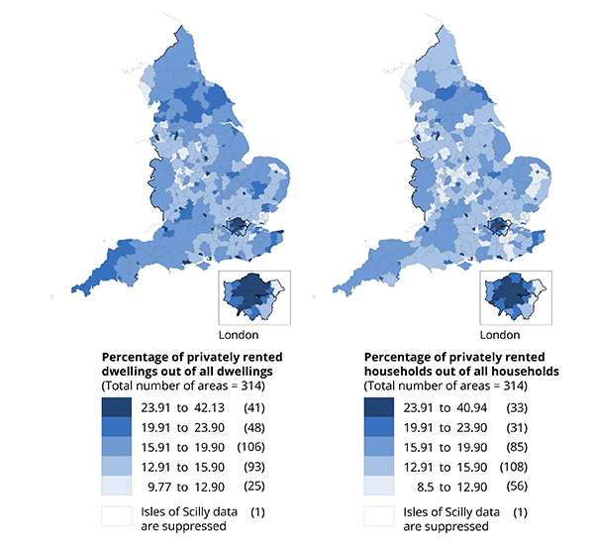

Source: Office for National Statistics – Annual Population Survey, 2011 Census, Ministry of Housing, Communities and Local Government – English Housing Survey, live tables on dwelling stock.

