Cover sheet
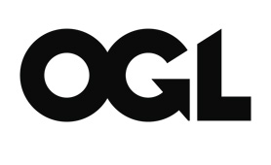
Single Year Life Tables, Scotland, 1980-2020
This spreadsheet contains Single Year Life Tables for Scotland.

Publication dates
The data tables in this spreadsheet were published on 23rd September 2021
Next Publication: to be confirmed.

About us
The Office for National Statistics (ONS) is the executive office of the UK Statistics Authority, a non-ministerial department which reports directly to Parliament. ONS is the UK government’s single largest statistical producer. It compiles information about the UK’s society and economy, and provides the evidence-base for policy and decision-making, the allocation of resources, and public accountability.

Copyright and reproduction
© Crown copyright 2021
You may re-use this document/publication (not including logos) free of charge in any format or medium, under the terms of the Open Government Licence v3.0. To view this licence visit
http://www.nationalarchives.gov.uk/doc/open-government-licence;
or write to the Information Policy Team, The National Archives, Kew, Richmond, Surrey, TW9 4DU; or email:
psi@nationalarchives.gov.uk.
Where we have identified any third party copyright information you will need to obtain permission from the copyright holders concerned.
This document/publication is also available on our website at
www.ons.gov.uk
Any enquiries regarding this document/publication should be sent to us at pop.info@ons.gov.uk

Contact
pop.info@ons.gov.uk

