data
Figure 5: Fortnightly turnover estimates from BICS broadly reflect the published UK monthly GDP estimates
Net turnover balances of businesses currently trading against GDP monthly estimates, UK, 1 February to 4 October 2020

Notes: | 1. Final unweighted results, Wave 1 to Wave 6, and final weighted results, Wave 7 to Wave 15, of the Office for National Statistics (ONS) Business Impact of Coronavirus (COVID-19) Survey (BICS).
 | 2. Weighted net balances have been calculated from Wave 7 onwards only. The sample redesign in Wave 7 improves our coverage for the small sized businesses, allowing for weighted results to be truly reflective of all businesses.
 | 3. Monthly GDP publications can be found here.
 | 4. Net balances have been calculated by subtracting the weighted by turnover number of businesses who have reported a decrease in turnover from the weighted by turnover number of businesses with an increase in turnover, all divided by the total weighted number of businesses currently trading for that wave.

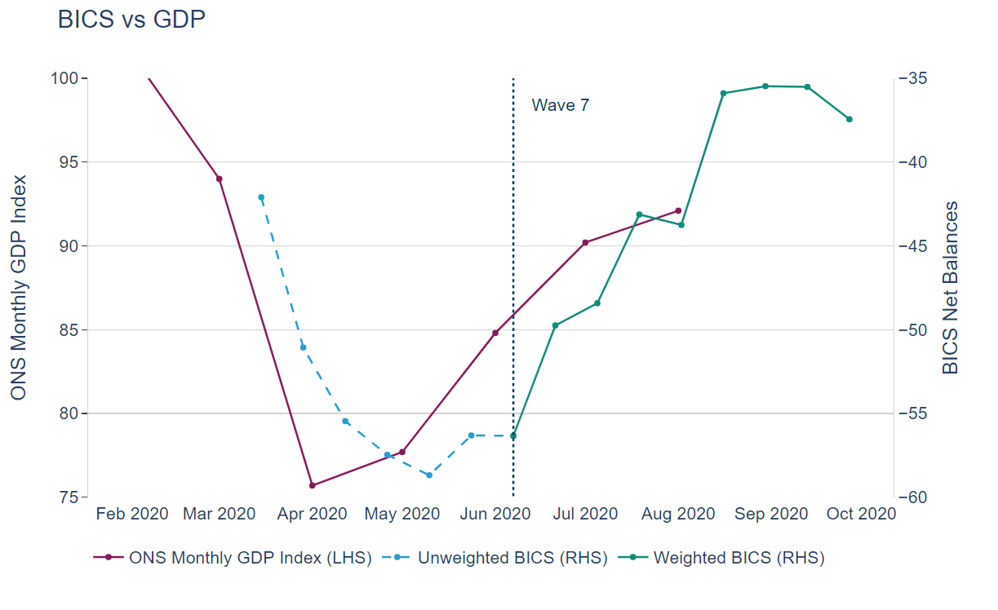
Date | Unweighted BICS (RHS) | Weighted BICS (RHS) | GDP (LHS)
Feb-20 |  |  | 101.4
Mar-20 |  |  | 94
Mar-20 | -42.10
Mar-20 | -51.06
Apr-20 |  |  | 75.7
Apr-20 | -55.46
Apr-20 | -57.47
May-20 |  |  | 77.7
May-20 | -58.68
May-20 | -56.31
Jun-20 |  |  | 84.8
Jun-20 | -56.3 | -56.3
Jun-20 |  | -49.7
Jul-20 |  |  | 90.2
Jul-20 |  | -48.4
Jul-20 |  | -43.1
Aug-20 |  |  | 92.1
Aug-20 |  | -43.8
Aug-20 |  | -35.9
Aug-20 |  | -35.5
Sep-20 |  | -35.5
Sep-20 |  | -37.4

